Introduction
Can the Price of Planes be Determined by their Performance? By James kasten

Introduction
General Aviation manufacturers started in the late 1920's and some of the designs have been produced for quite some time. For instance, the Cessna 172 Skyhawk's design was first brought into production in 1956, and is still being sold today. The reason why companies keep around their designs so long is because the design has been proven safe and they do not need to get the design recertified. The problem with old designs is that they might not be quite as aerodynamically efficient as some of the newer models that are designed with the latest technology. The older designs are still able to maintain demand and compete for consumers with the newer designs.
When people are looking to buy a general aviation plane, they immediately look at each plane's performance specifications. They want a plane that can carry all that they need, takeoff and land at small airports, fly to their usual destinations on one tank of gas, and get there quickly. Depending on how much they value each one of these variables determines which plane they buy.
Obviously, all the statistics increase with bigger engines and better designs, but with equivalent engines there is a tradeoff between max cruise speed and useful load. Also modifications can be made to aircraft to reduce takeoff distance, but also inherently reduce max cruise speed. So aerodynamic decisions must be made to maximize effectiveness of the aircraft
I plan to construct equations that can predict the price of a plane given the four variables, cruise speed, takeoff distance (ground roll), range, and useful load. I will also take into account whether or not the plane has retractable landing gear or not. I will create an equation for planes with older designs and an equation for planes with newer designs. I will then perform a Chow test to see if the two sets of data can be pooled into one set. I hypothesize that the two sets of data can be pooled into one, because the older models are still in direct competition with the newer models, and they must be competitively priced. I predict the variables in both the older models and newer models affect price in similar manners.
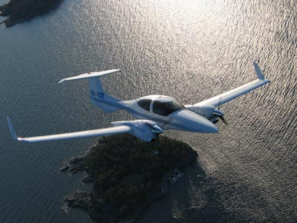

Diamond DA42 Twin Star

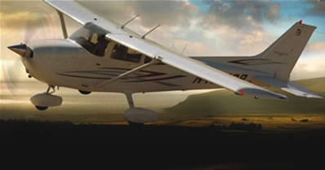
Cessna Skyhawk 2007

Notes on performance statistics
Cruise Speed refers to how fast the plane will typically be flown, measured in knots.
Useful load refers to how much weight can be added to an empty plane and can still fly measured in pounds.
Range refers to how long the plane can fly on a full tank of gas, excluding a 45 min reserve for safety. Range is measured in nautical miles.
Takeoff distance ground roll (T/O ground roll) refers to how quickly the plane can leave the ground starting at rest. T/O ground roll is measured in feet. All planes takeoff data is collected while the plane is at max weight.
Retractable landing gear makes the plane more aerodynamic, used in many higher end general aviation aircraft. The Piper Saratoga below has retractable landing gear while the Skyhawk to the right does not.
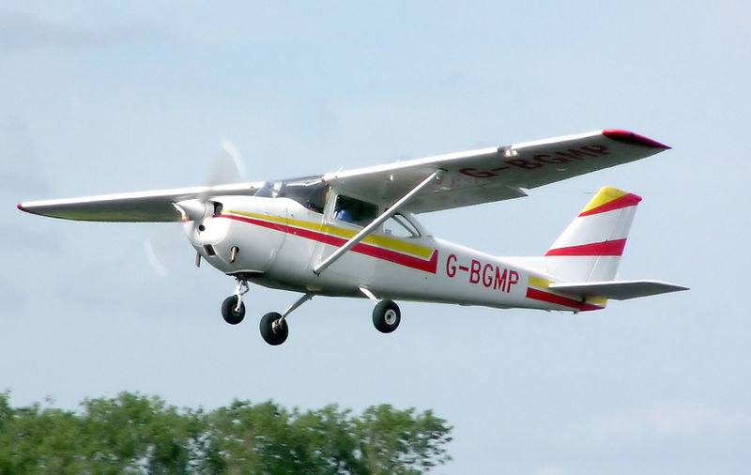

Cessna Skyhawk 1965

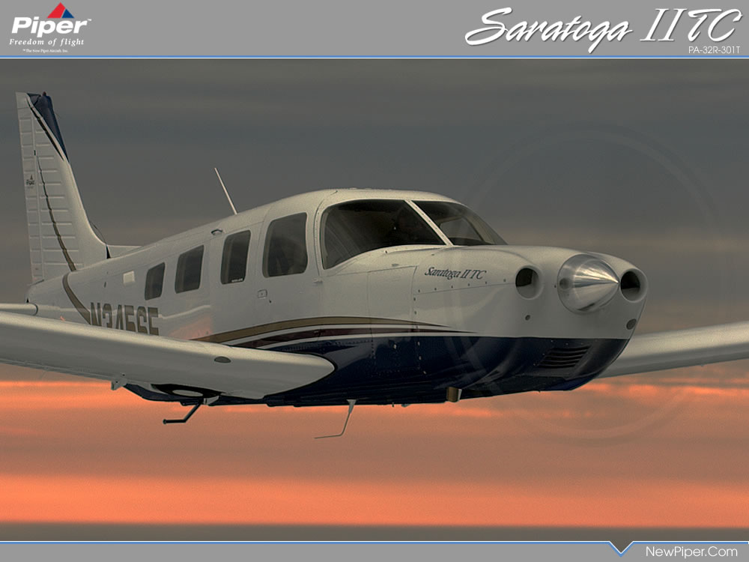

Raw Data
Raw Data

 | Count | Type | Name | Cruise Speed | Range | T/O ground roll | Useful Load | Retractable Landing Gear | Price | Year Designed
Old Designs | 1 | 4 seat single | Piper Warrior III | 115 | 513 | 1165 | 908 | 0 | $201,400 | 1960
 | 2 | 4 seat single | Cessna Skyhawk | 122 | 687 | 945 | 758 | 0 | $219,500 | 1956
 | 3 | 4 seat single | Piper Archer III | 128 | 525 | 1135 | 878 | 0 | $229,200 | 1960
 | 4 | 4 seat single | Cessna Skyhawk SP | 124 | 638 | 960 | 837 | 0 | $254,500 | 1956
T/O Ground Roll stands for Takeoff ground roll
 | 5 | 4 seat single | Piper Arrow | 137 | 880 | 1128 | 967 | 1 | $323,850 | 1960
 | 6 | 4 seat single | Cessna Skylane | 145 | 930 | 795 | 1113 | 0 | $349,500 | 1956
 | 7 | 4 seat single | Cessna Turbo Skylane | 159 | 971 | 775 | 1017 | 0 | $379,500 | 1956
 | 8 | 6 seat single | Piper 6X | 150 | 804 | 1284 | 1393 | 0 | $454,500 | 1964
 | 9 | 6 seat single | Cessna Stationair | 142 | 721 | 910 | 1360 | 0 | $479,500 | 1962
 | 10 | 4 seat multi | Piper Seminole | 168 | 770 | 1300 | 1215 | 1 | $510,645 | 1979
 | 11 | 6 seat single | Cessna Turbo Stationair | 164 | 703 | 910 | 1255 | 0 | $514,500 | 1962
Retractable Landing Gear
This data was entered as a binary variable. Zero indicates the plane has fixed landing gear, and one indicates the plane has retractable landing gear.
 | 12 | 6 seat single | Piper Saratoga II TC | 187 | 948 | 1110 | 1137 | 1 | $573,500 | 1964
 | 13 | 6 seat single | Beechcraft Bonanza G36 | 176 | 924 | 1100 | 1063 | 1 | $574,000 | 1947
 | 14 | 6 seat multi | Piper Seneca V | 218 | 828 | 1143 | 1380 | 1 | $756,500 | 1971
New Designs | 15 | 2 seat single | Cessna Skycatcher | 112 | 470 | 770 | 490 | 0 | $129,500 | 2008
 | 16 | 2 seat single | Diamond DA20 Eclipse | 138 | 547 | 1280 | 582 | 0 | $169,389 | 1993
 | 17 | 4 seat single | Diamond DA40 CS | 145 | 785 | 1027 | 887 | 0 | $259,950 | 1993
 | 18 | 4 seat single | Cirrus SR20 G3 | 155 | 785 | 1478 | 1000 | 0 | $276,690 | 1999
 | 19 | 4 seat single | Cirrus SR22 G3 | 185 | 1170 | 1028 | 1175 | 0 | $371,200 | 1999
 | 20 | 4 seat single | Cessna 350 | 191 | 1280 | 1300 | 1100 | 0 | $383,900 | 2004
 | 21 | 4 seat single | Cirrus SR22 Turbo | 219 | 1000 | 1028 | 1080 | 0 | $439,985 | 1999
 | 22 | 4 seat single | Mooney Ovation2GX | 190 | 1860 | 960 | 1107 | 1 | $449,000 | 1994
 | 23 | 4 seat single | Mooney Ovation3 | 197 | 1860 | 960 | 1107 | 1 | $469,000 | 1994
 | 24 | 4 seat single | Cessna 400 | 235 | 1148 | 1300 | 1100 | 0 | $485,900 | 2004
 | 25 | 4 seat multi | Diamond DA42 Twin Star | 172 | 1129 | 1130 | 1122 | 1 | $532,675 | 2004
 | 26 | 4 seat single | Mooney Acclaim | 237 | 1445 | 900 | 1107 | 1 | $579,900 | 2006
 | 27 | 4 seat single | Mooney Acclaim Type S | 242 | 1445 | 960 | 1004 | 1 | $599,500 | 2007
 | 28 | 6 seat single | Piper Matrix | 215 | 1367 | 1087 | 1421 | 1 | $757,000 | 1982

Aircraft Type
Simply the number of seats, followed by whether the plane has a single piston or is multi engine.
Methods of Data Collection
I retrieved all the information off of each of the manufacturer's websites. I took data from the base design of the aircraft and did not add any modifications. All prices are from the base design as of December 7th, 2007 as advertised on the manufacturers website.
I defined new designs as being all designs developed after 1980.
*Note that although Mooney's aircraft were based off of an earlier model, excessive aerodynamic changes have been made that changed performance numbers dramatically.
** Cessna recently acquired Columbia Aircraft. The Cessna 350 and 400 were Columbia's aircraft and data was gathered from Columbia's website.

Old Design
Old Design

Count | Type | Name | Cruise Speed | Range | T/O ground roll | Useful Load | Retractable Landing Gear | Price | Year Designed
1 | 4 seat single | Piper Warrior III | 115 | 513 | 1165 | 908 | 0 | $201,400 | 1960
2 | 4 seat single | Cessna Skyhawk | 122 | 687 | 945 | 758 | 0 | $219,500 | 1956
3 | 4 seat single | Piper Archer III | 128 | 525 | 1135 | 878 | 0 | $229,200 | 1960
4 | 4 seat single | Cessna Skyhawk SP | 124 | 638 | 960 | 837 | 0 | $254,500 | 1956
5 | 4 seat single | Piper Arrow | 137 | 880 | 1128 | 967 | 1 | $323,850 | 1960
6 | 4 seat single | Cessna Skylane | 145 | 930 | 795 | 1113 | 0 | $349,500 | 1956
7 | 4 seat single | Cessna Turbo Skylane | 159 | 971 | 775 | 1017 | 0 | $379,500 | 1956
8 | 6 seat single | Piper 6X | 150 | 804 | 1284 | 1393 | 0 | $454,500 | 1964
9 | 6 seat single | Cessna Stationair | 142 | 721 | 910 | 1360 | 0 | $479,500 | 1962
10 | 4 seat multi | Piper Seminole | 168 | 770 | 1300 | 1215 | 1 | $510,645 | 1979
11 | 6 seat single | Cessna Turbo Stationair | 164 | 703 | 910 | 1255 | 0 | $514,500 | 1962
12 | 6 seat single | Piper Saratoga II TC | 187 | 948 | 1110 | 1137 | 1 | $573,500 | 1964
13 | 6 seat single | Beechcraft Bonanza G36 | 176 | 924 | 1100 | 1063 | 1 | $574,000 | 1947
14 | 6 seat multi | Piper Seneca V | 218 | 828 | 1143 | 1380 | 1 | $756,500 | 1971

Cruise Speed vs. Price
 | Cruise Speed
115 | $201,400
122 | $219,500
128 | $229,200
124 | $254,500
137 | $323,850
145 | $349,500
159 | $379,500
150 | $454,500
142 | $479,500
168 | $510,645
164 | $514,500
187 | $573,500
176 | $574,000
218 | $756,500
Range vs. Price
 | Range
513 | $201,400
687 | $219,500
525 | $229,200
638 | $254,500
880 | $323,850
930 | $349,500
971 | $379,500
804 | $454,500
721 | $479,500
770 | $510,645
703 | $514,500
948 | $573,500
924 | $574,000
828 | $756,500

These plots help determine what type of model the data follows, such as linear, log rhythmic, ect...
It appears that the linear model fits all of the data most accurately.

It seems that cruise speed has the biggest direct influence on price as it appears to have the best fit.
Range and useful load appear to have a linear positive correlation to price.
Takeoff (ground roll) appears to not have any relation to price as the numbers are scattered.

T/O ground roll vs. Price
 | T/O ground roll
1165 | $201,400
945 | $219,500
1135 | $229,200
960 | $254,500
1128 | $323,850
795 | $349,500
775 | $379,500
1284 | $454,500
910 | $479,500
1300 | $510,645
910 | $514,500
1110 | $573,500
1100 | $574,000
1143 | $756,500
Useful Load vs. Price
 | Useful Load
908 | $201,400
758 | $219,500
878 | $229,200
837 | $254,500
967 | $323,850
1113 | $349,500
1017 | $379,500
1393 | $454,500
1360 | $479,500
1215 | $510,645
1255 | $514,500
1137 | $573,500
1063 | $574,000
1380 | $756,500

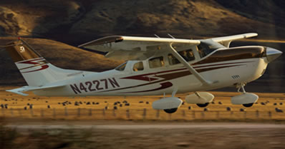
Cessna Stationair

Old Design Regression
Old Design Regression

Count | Type | Name | Cruise Speed | Range | T/O ground roll | Useful Load | Retractable Landing Gear | Price | Year Designed
1 | 4 seat single | Piper Warrior III | 115 | 513 | 1165 | 908 | 0 | $201,400 | 1960
2 | 4 seat single | Cessna Skyhawk | 122 | 687 | 945 | 758 | 0 | $219,500 | 1956
3 | 4 seat single | Piper Archer III | 128 | 525 | 1135 | 878 | 0 | $229,200 | 1960
4 | 4 seat single | Cessna Skyhawk SP | 124 | 638 | 960 | 837 | 0 | $254,500 | 1956
5 | 4 seat single | Piper Arrow | 137 | 880 | 1128 | 967 | 1 | $323,850 | 1960
6 | 4 seat single | Cessna Skylane | 145 | 930 | 795 | 1113 | 0 | $349,500 | 1956
7 | 4 seat single | Cessna Turbo Skylane | 159 | 971 | 775 | 1017 | 0 | $379,500 | 1956
8 | 6 seat single | Piper 6X | 150 | 804 | 1284 | 1393 | 0 | $454,500 | 1964
9 | 6 seat single | Cessna Stationair | 142 | 721 | 910 | 1360 | 0 | $479,500 | 1962
10 | 4 seat multi | Piper Seminole | 168 | 770 | 1300 | 1215 | 1 | $510,645 | 1979
11 | 6 seat single | Cessna Turbo Stationair | 164 | 703 | 910 | 1255 | 0 | $514,500 | 1962
12 | 6 seat single | Piper Saratoga II TC | 187 | 948 | 1110 | 1137 | 1 | $573,500 | 1964
These formulas were derived from the variables in the regression, and the coefficients the regression determined.
13 | 6 seat single | Beechcraft Bonanza G36 | 176 | 924 | 1100 | 1063 | 1 | $574,000 | 1947
14 | 6 seat multi | Piper Seneca V | 218 | 828 | 1143 | 1380 | 1 | $756,500 | 1971

The Adjusted R Square statistic indicates what percentage of the regression we have accounted for with our variables.
An adjusted R square of .967 is very high. The equation fits the data well.
 |  | SUMMARY OUTPUT
The F statistic is also high, a good indicator that the data is significant.
I would have expected range to have a positive coefficient. It appears that more expensive planes use their fuel supplies faster with their larger engines, and cannot make it as far.
 |  | Regression Statistics |  |  |  |  | For Planes without Retractable Landing Gear
 |  | Multiple R | 0.98828997503 |  |  |  | Price = -272580.36 + 3599.77(Cruise Speed) - 127.24(Range) - 128.56(T/O Ground Roll) + 315.87(Useful Load)
 |  | R Square | 0.97671707475
 |  | Adjusted R Square | 0.96216524646 |  |  |  | For Planes with Retractable Landing Gear
 |  | Standard Error | 31905.560124 |  |  |  | Price = -194845.14 + 3599.77(Cruise Speed) - 127.24(Range) - 128.56(T/O Ground Roll) + 315.87(Useful Load)
 |  | Observations | 14
The Significance F statistic indicates whether or not the data as a whole is significant. A value of 2.57 x 10^-6 is much lower than the critical value of .05. This data is significant
The Retractable Landing Gear variable only affects the intercept. The coefficient value is added to the previous intercept value.
 |  | ANOVA
 |  |  | df | SS | MS | F | Significance F
 |  | Regression | 5 | 3.4162840225E+11 | 68325680449 | 67.119887324 | 2.5779603239E-06
Looking at the P-values it is easy to see that cruise speed and useful load are very significant while range, retractable landing gear, and T/O ground roll are not significant at the .05 level.
 |  | Residual | 8 | 8143718134.7 | 1017964766.8
 |  | Total | 13 | 3.4977212038E+11

 |  |  | Coefficients | Standard Error | t Stat | P-value | Lower 95% | Upper 95% | Lower 95.0% | Upper 95.0%
 |  | Intercept | -272580.3576 | 144158.6170 | -1.8908 | 0.0953 | -605010.7244 | 59850.0091 | -605010.7244 | 59850.0091
 |  | Cruise Speed | 3599.7744 | 657.0639 | 5.4786 | 0.0006 | 2084.5825 | 5114.9664 | 2084.5825 | 5114.9664
 |  | Range | -127.2414 | 95.4969 | -1.3324 | 0.2194 | -347.4577 | 92.9749 | -347.4577 | 92.9749
 |  | T/O ground roll | -128.5627 | 90.7801 | -1.4162 | 0.1945 | -337.9021 | 80.7767 | -337.9021 | 80.7767
 |  | Useful Load | 315.8698 | 69.8043 | 4.5251 | 0.0019 | 154.9008 | 476.8387 | 154.9008 | 476.8387
 |  | Retractable Landing Gear | 77735.2165 | 39772.0169 | 1.9545 | 0.0864 | -13979.2190 | 169449.6519 | -13979.2190 | 169449.6519

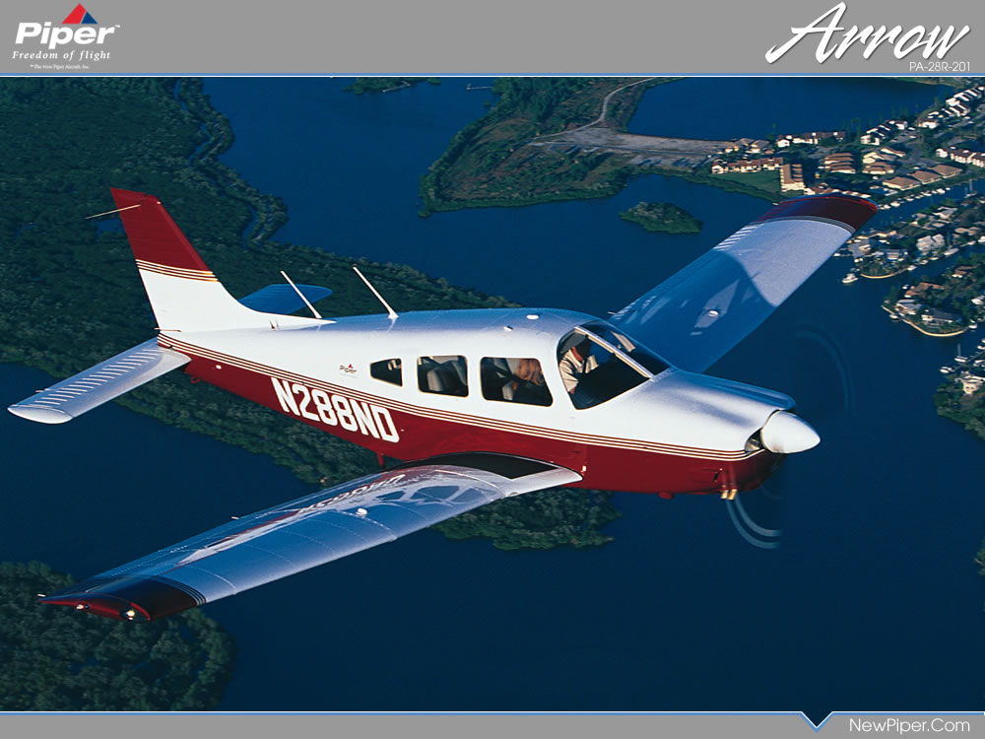

 |  | RESIDUAL OUTPUT
Residual Output is used to see how far each individual observation deviated away from their respective formula. There were no extreme outliers in this group.
 |  | Observation | Predicted Price | Residuals | Standard Residuals
 |  | Piper Warrior III | 213153.079 | -11753.079 | -0.470
 |  | Cessna Skyhawk | 197114.819 | 22385.181 | 0.894
 |  | Piper Archer III | 252804.038 | -23604.038 | -0.943
 |  | Cessna Skyhawk SP | 233574.468 | 20925.532 | 0.836
 |  | Piper Arrow | 346778.868 | -22928.868 | -0.916
 |  | Cessna Skylane | 380408.131 | -30908.131 | -1.235
 |  | Cessna Turbo Skylane | 397835.832 | -18335.832 | -0.733
 |  | Piper 6X | 440015.805 | 14484.195 | 0.579
 |  | Cessna Stationair | 459437.385 | 20062.615 | 0.802
 |  | Piper Seminole | 528591.351 | -17946.351 | -0.717
 |  | Cessna Turbo Stationair | 507756.444 | 6743.556 | 0.269
 |  | Piper Saratoga II TC | 574127.160 | -627.160 | -0.025
 |  | Beechcraft Bonanza G36 | 515494.701 | 58505.299 | 2.338
 |  | Piper Seneca V | 773502.920 | -17002.920 | -0.679

New Designs
New Designs

Count | Type | Name | Cruise Speed | Range | T/O ground roll | Useful Load | Retractable Landing Gear | Price | Year Designed
1 | 2 seat single | Cessna Skycatcher | 112 | 470 | 770 | 490 | 0 | $129,500 | 2008
2 | 2 seat single | Diamond DA20 Eclipse | 138 | 547 | 1280 | 582 | 0 | $169,389 | 1993
3 | 4 seat single | Diamond DA40 CS | 145 | 785 | 1027 | 887 | 0 | $259,950 | 1993
4 | 4 seat single | Cirrus SR20 G3 | 155 | 785 | 1478 | 1000 | 0 | $276,690 | 1999
5 | 4 seat single | Cirrus SR22 G3 | 185 | 1170 | 1028 | 1175 | 0 | $371,200 | 1999
6 | 4 seat single | Cessna 350 | 191 | 1280 | 1300 | 1100 | 0 | $383,900 | 2004
7 | 4 seat single | Cirrus SR22 Turbo | 219 | 1000 | 1028 | 1080 | 0 | $439,985 | 1999
It almost appears that range vs. price would fit more closely as a logrhythmic model, however, when tested it does not meet the expectation.
8 | 4 seat single | Mooney Ovation2GX | 190 | 1860 | 960 | 1107 | 1 | $449,000 | 1994
9 | 4 seat single | Mooney Ovation3 | 197 | 1860 | 960 | 1107 | 1 | $469,000 | 1994
10 | 4 seat single | Cessna 400 | 235 | 1148 | 1300 | 1100 | 0 | $485,900 | 2004
11 | 4 seat multi | Diamond DA42 Twin Star | 172 | 1129 | 1130 | 1122 | 1 | $532,675 | 2004
12 | 4 seat single | Mooney Acclaim | 237 | 1445 | 900 | 1107 | 1 | $579,900 | 2006
13 | 4 seat single | Mooney Acclaim Type S | 242 | 1445 | 960 | 1004 | 1 | $599,500 | 2007
14 | 6 seat single | Piper Matrix | 215 | 1367 | 1087 | 1421 | 1 | $757,000 | 1982
Cruise Speed vs. Price
Range vs. Price

Once again it appears that cruise speed seems to be the most significant variable as the line fits the data very well.
In this example, Range vs. Price seems to fit more closely, and Takeoff vs. Price indicates a slope, although still not the best fit.
Useful load follows a linear trend line fairly well.

T/O Ground Roll vs. Price
Useful Load vs. Price

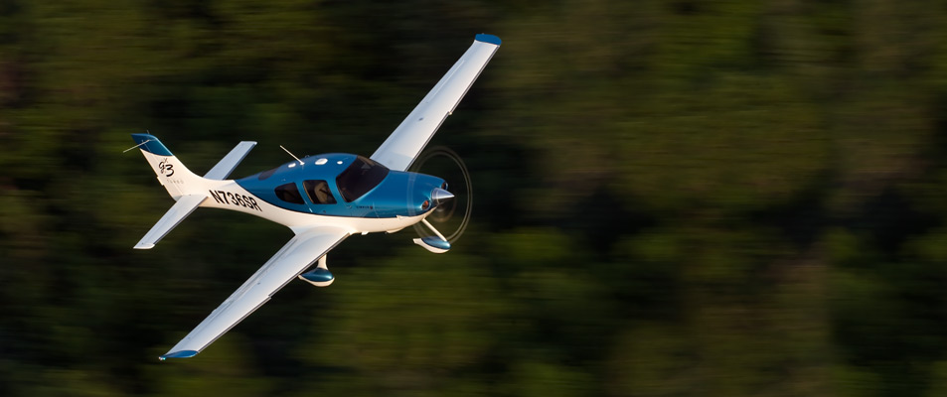

Cirrus SR22 Turbo

New Designs Regression
New Designs Regression

Count | Type | Name | Cruise Speed | Range | T/O ground roll | Useful Load | Retractable Landing Gear | Price | Year Designed
1 | 2 seat single | Cessna Skycatcher | 112 | 470 | 770 | 490 | 0 | $129,500 | 2008
2 | 2 seat single | Diamond DA20 Eclipse | 138 | 547 | 1280 | 582 | 0 | $169,389 | 1993
3 | 4 seat single | Diamond DA40 CS | 145 | 785 | 1027 | 887 | 0 | $259,950 | 1993
4 | 4 seat single | Cirrus SR20 G3 | 155 | 785 | 1478 | 1000 | 0 | $276,690 | 1999
5 | 4 seat single | Cirrus SR22 G3 | 185 | 1170 | 1028 | 1175 | 0 | $371,200 | 1999
6 | 4 seat single | Cessna 350 | 191 | 1280 | 1300 | 1100 | 0 | $383,900 | 2004
7 | 4 seat single | Cirrus SR22 Turbo | 219 | 1000 | 1028 | 1080 | 0 | $439,985 | 1999
8 | 4 seat single | Mooney Ovation2GX | 190 | 1860 | 960 | 1107 | 1 | $449,000 | 1994
9 | 4 seat single | Mooney Ovation3 | 197 | 1860 | 960 | 1107 | 1 | $469,000 | 1994
10 | 4 seat single | Cessna 400 | 235 | 1148 | 1300 | 1100 | 0 | $485,900 | 2004
This equation differs from the Old Design regression equation, mostly in cruise speed and retractable landing gear. I would say this is most likely caused by small sample size, but there may be a difference. We will have to examine whether or not we can pool the data by performing a Chow Test
11 | 4 seat multi | Diamond DA42 Twin Star | 172 | 1129 | 1130 | 1122 | 1 | $532,675 | 2004
12 | 4 seat single | Mooney Acclaim | 237 | 1445 | 900 | 1107 | 1 | $579,900 | 2006
13 | 4 seat single | Mooney Acclaim Type S | 242 | 1445 | 960 | 1004 | 1 | $599,500 | 2007
14 | 6 seat single | Piper Matrix | 215 | 1367 | 1087 | 1421 | 1 | $757,000 | 1982

The Adjusted R Square statistic is very high again. An adjusted R square value of .961 means that 96 percent of the regression is accounted for by the variables.
 |  | SUMMARY OUTPUT
 |  |  |  |  |  |  | For Planes without Retractable Landing Gear
 |  | Regression Statistics |  |  |  |  | Price = -210236.04 + 2039.69(Cruise Speed) - 170.20(Range) - 34.13(T/O Ground Roll) + 393.96(Useful Load)
 |  | Multiple R | 0.98819206053
 |  | R Square | 0.97652354849 |  |  |  | For Planes with Retractable Landing Gear
 |  | Adjusted R Square | 0.96185076629 |  |  |  | Price = -19986.45 + 2039.69(Cruise Speed) - 170.20(Range) - 34.13(T/O Ground Roll) + 393.96(Useful Load)
 |  | Standard Error | 33788.10593
With a significant F value of 2.66 x 10^-6, the data as a whole is significant.
 |  | Observations | 14

 |  | ANOVA
 |  |  | df | SS | MS | F | Significance F
 |  | Regression | 5 | 3.7989882317E+11 | 75979764634 | 66.553400406 | 2.6641159935E-06
 |  | Residual | 8 | 9133088818.4 | 1141636102.3
The P-values indicate that the only variable that was not statistically different from 0 was T/O Ground Roll.
 |  | Total | 13 | 3.8903191199E+11

 |  |  | Coefficients | Standard Error | t Stat | P-value | Lower 95% | Upper 95% | Lower 95.0% | Upper 95.0%
 |  | Intercept | -210236.04133 | 72665.826022 | -2.8931900019 | 0.020100546901 | -377803.73648 | -42668.34617 | -377803.73648 | -42668.34617
 |  | Cruise Speed | 2039.6913777 | 357.7982181 | 5.700675058 | 0.00045402655992 | 1214.6072079 | 2864.7755475 | 1214.6072079 | 2864.7755475
 |  | Range | -170.19521241 | 43.360227433 | -3.9251457496 | 0.0043865252747 | -270.18407609 | -70.20634873 | -270.18407609 | -70.20634873
 |  | T/O ground roll | -34.125234725 | 59.364493471 | -0.57484251493 | 0.58119927973 | -171.02000204 | 102.76953259 | -171.02000204 | 102.76953259
 |  | Useful Load | 393.95850655 | 68.21862006 | 5.7749410089 | 0.00041692064411 | 236.64608673 | 551.27092638 | 236.64608673 | 551.27092638
 |  | Retractable Landing Gear | 190249.59426 | 29343.556549 | 6.4835219935 | 0.0001914022066 | 122583.23157 | 257915.95694 | 122583.23157 | 257915.95694

 |  | RESIDUAL OUTPUT

 |  | Observation | Predicted Price | Residuals | Standard Residuals
 |  | Cessna Skycatcher | 104980.88062 | 24519.119383 | 0.92505531717
 |  | Diamond DA20 Eclipse | 163748.13798 | 5640.8620244 | 0.21281797799
Once again there weren't any extreme outliers in this sample.
 |  | Diamond DA40 CS | 266310.54595 | -6360.5459502 | -0.23997015388
 |  | Cirrus SR20 G3 | 315834.29011 | -39144.290107 | -1.476832554
 |  | Cirrus SR22 G3 | 395798.96893 | -24598.968933 | -0.92806787444
 |  | Cessna 350 | 350486.692 | 33413.308002 | 1.2606145331
 |  | Cirrus SR22 Turbo | 456655.60376 | -16670.603763 | -0.62894716611
 |  | Mooney Ovation2GX | 454343.66103 | -5343.6610288 | -0.2016052033
 |  | Mooney Ovation3 | 468621.50067 | 378.49932716 | 0.01427999145
 |  | Cessna 400 | 462698.88066 | 23201.119344 | 0.87532992025
 |  | Diamond DA42 Twin Star | 542150.0042 | -9475.004198 | -0.35747217821
 |  | Mooney Acclaim | 622887.68302 | -42987.683016 | -1.6218357652
 |  | Mooney Acclaim Type S | 590460.89965 | 9039.1003543 | 0.34102643389
 |  | Piper Matrix | 708611.25144 | 48388.748561 | 1.8256067214

Pooled Regression
Pooled Regression

Linear regression is used for all variables as both smaller samples were best fit with linear models.
Count | Type | Name | Cruise Speed | Range | T/O ground roll | Useful Load | Retractable Landing Gear | Price | Year Designed
1 | 2 seat single | Cessna Skycatcher | 112 | 470 | 770 | 490 | 0 | $129,500 | 2008
2 | 2 seat single | Diamond DA20 Eclipse | 138 | 547 | 1280 | 582 | 0 | $169,389 | 1993
3 | 4 seat single | Piper Warrior III | 115 | 513 | 1165 | 908 | 0 | $201,400 | 1960
4 | 4 seat single | Cessna Skyhawk | 122 | 687 | 945 | 758 | 0 | $219,500 | 1956
5 | 4 seat single | Piper Archer III | 128 | 525 | 1135 | 878 | 0 | $229,200 | 1960
6 | 4 seat single | Cessna Skyhawk SP | 124 | 638 | 960 | 837 | 0 | $254,500 | 1956
7 | 4 seat single | Diamond DA40 CS | 145 | 785 | 1027 | 887 | 0 | $259,950 | 1993
8 | 4 seat single | Cirrus SR20 G3 | 155 | 785 | 1478 | 1000 | 0 | $276,690 | 1999
9 | 4 seat single | Piper Arrow | 137 | 880 | 1128 | 967 | 1 | $323,850 | 1960
10 | 4 seat single | Cessna Skylane | 145 | 930 | 795 | 1113 | 0 | $349,500 | 1956
11 | 4 seat single | Cirrus SR22 G3 | 185 | 1170 | 1028 | 1175 | 0 | $371,200 | 1999
12 | 4 seat single | Cessna Turbo Skylane | 159 | 971 | 775 | 1017 | 0 | $379,500 | 1956
13 | 4 seat single | Cessna 350 | 191 | 1280 | 1300 | 1100 | 0 | $383,900 | 2004
14 | 4 seat single | Cirrus SR22 Turbo | 219 | 1000 | 1028 | 1080 | 0 | $439,985 | 1999
15 | 4 seat single | Mooney Ovation2GX | 190 | 1860 | 960 | 1107 | 1 | $449,000 | 1994
16 | 6 seat single | Piper 6X | 150 | 804 | 1284 | 1393 | 0 | $454,500 | 1964
17 | 4 seat single | Mooney Ovation3 | 197 | 1860 | 960 | 1107 | 1 | $469,000 | 1994
18 | 6 seat single | Cessna Stationair | 142 | 721 | 910 | 1360 | 0 | $479,500 | 1962
19 | 4 seat single | Cessna 400 | 235 | 1148 | 1300 | 1100 | 0 | $485,900 | 2004
20 | 4 seat multi | Piper Seminole | 168 | 770 | 1300 | 1215 | 1 | $510,645 | 1979
21 | 6 seat single | Cessna Turbo Stationair | 164 | 703 | 910 | 1255 | 0 | $514,500 | 1962
22 | 4 seat multi | Diamond DA42 Twin Star | 172 | 1129 | 1130 | 1122 | 1 | $532,675 | 2004
23 | 6 seat single | Piper Saratoga II TC | 187 | 948 | 1110 | 1137 | 1 | $573,500 | 1964
24 | 6 seat single | Beechcraft Bonanza G36 | 176 | 924 | 1100 | 1063 | 1 | $574,000 | 1947
25 | 4 seat single | Mooney Acclaim | 237 | 1445 | 900 | 1107 | 1 | $579,900 | 2006
26 | 4 seat single | Mooney Acclaim Type S | 242 | 1445 | 960 | 1004 | 1 | $599,500 | 2007
27 | 6 seat multi | Piper Seneca V | 218 | 828 | 1143 | 1380 | 1 | $756,500 | 1971
The Chow Test must now be performed to tell if this data was pooled fairly.
28 | 6 seat single | Piper Matrix | 215 | 1367 | 1087 | 1421 | 1 | $757,000 | 1982

 |  |  |  |  | For Planes without Retractable Landing Gear
 |  | SUMMARY OUTPUT |  |  | Price = -170453.53 + 2312.24(Cruise Speed) - 142.93(Range) - 129.23(T/O Ground Roll) + 396.28(Useful Load)

The Adjusted R Square value is .95, still very high.
 |  | Regression Statistics |  |  | For Planes with Retractable Landing Gear
 |  | Multiple R | 0.97972074899 |  | Price = -34534.16 + 2312.24(Cruise Speed) - 142.93(Range) - 129.23(T/O Ground Roll) + 396.28(Useful Load)
 |  | R Square | 0.95985274601
The significance F value is extremely low indicating significant data as a whole.
 |  | Adjusted R Square | 0.9507283701
 |  | Standard Error | 36724.297981
 |  | Observations | 28

 |  | ANOVA
 |  |  | df | SS | MS | F | Significance F
 |  | Regression | 5 | 7.0937920315E+11 | 1.4187584063E+11 | 105.19653681 | 1.3308570197E-14
 |  | Residual | 22 | 29670829368 | 1348674062.2
The Chow Test on the next worksheet confirms that the two samples were pooled appropriately.
 |  | Total | 27 | 7.3905003252E+11

 |  |  | Coefficients | Standard Error | t Stat | P-value | Lower 95% | Upper 95% | Lower 95.0% | Upper 95.0%
 |  | Intercept | -170453.52891 | 55925.938192 | -3.0478438882 | 0.0059010890606 | -286436.82538 | -54470.232431 | -286436.82538 | -54470.232431
 |  | Cruise Speed | 2312.2409224 | 294.70327287 | 7.8459967545 | 8.1389886913E-08 | 1701.0637447 | 2923.4181002 | 1701.0637447 | 2923.4181002
 |  | Range | -142.93436928 | 30.365504254 | -4.7071297774 | 0.00010731698021 | -205.90857045 | -79.960168104 | -205.90857045 | -79.960168104
 |  | T/O ground roll | -129.23198065 | 42.018733304 | -3.0755801159 | 0.0055317593237 | -216.37349959 | -42.090461703 | -216.37349959 | -42.090461703
 |  | Useful Load | 396.27724 | 37.775403543 | 10.490350938 | 5.0169253743E-10 | 317.93584832 | 474.61863167 | 317.93584832 | 474.61863167
 |  | Retractable Landing Gear | 135919.37135 | 17591.197239 | 7.7265560438 | 1.0463957184E-07 | 99437.461328 | 172401.28136 | 99437.461328 | 172401.28136
Standard Error decreased for all variables in the pooled regression.
The P-values of this regression indicate that all of my variables are statistically significant. As all the P-values are below .05

 |  | RESIDUAL OUTPUT

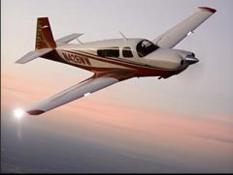
 |  | Observation | Predicted Price | Residuals | Standard Residuals
 |  | Cessna Skycatcher | 116005.52335 | 13494.476655 | 0.40707373822
 |  | Diamond DA20 Eclipse | 135667.03684 | 33721.963156 | 1.0172551299
 |  | Piper Warrior III | 231393.3222 | -29993.322196 | -0.90477712479
These Residuals are examined on the Residuals page.
 |  | Cessna Skyhawk | 191697.87814 | 27802.121858 | 0.83867748005
 |  | Piper Archer III | 251725.88398 | -22525.883976 | -0.67951474011
 |  | Cessna Skyhawk SP | 232693.56633 | 21806.433669 | 0.6578118365
 |  | Diamond DA40 CS | 271394.59272 | -11444.592715 | -0.34523703721
 |  | Cirrus SR20 G3 | 281012.70679 | -4322.7067873 | -0.13039856648
 |  | Piper Arrow | 393887.02075 | -70037.020754 | -2.1127334229
 |  | Cessna Skylane | 370209.58492 | -20709.584919 | -0.62472434949
 |  | Cirrus SR22 G3 | 422853.11058 | -51653.110578 | -1.5581652666
 |  | Cessna Turbo Skylane | 361262.67327 | 18237.326734 | 0.55014632719
 |  | Cessna 350 | 356131.88376 | 27768.116243 | 0.83765166829
Mooney Acclaim
 |  | Cirrus SR22 Turbo | 488121.80692 | -48136.80692 | -1.4520926184
 |  | Mooney Ovation2GX | 453549.8941 | -4549.894098 | -0.13725188804
 |  | Piper 6X | 447543.70872 | 6956.2912775 | 0.20984315042
 |  | Mooney Ovation3 | 469735.58056 | -735.58055509 | -0.022189487891
 |  | Cessna Stationair | 476164.94584 | 3335.0541649 | 0.10060508464
 |  | Cessna 400 | 476737.82109 | 9162.1789106 | 0.2763858514
 |  | Piper Seminole | 557338.12482 | -46693.124818 | -1.408542573
 |  | Cessna Turbo Stationair | 487997.95458 | 26502.045424 | 0.79945943642
 |  | Diamond DA42 Twin Star | 500389.30333 | 32285.696673 | 0.97392878376
 |  | Piper Saratoga II TC | 569472.83622 | 4027.1637838 | 0.12148323035
 |  | Beechcraft Bonanza G36 | 519436.41498 | 54563.585021 | 1.6459624996
 |  | Mooney Acclaim | 629296.89954 | -49396.899543 | -1.4901045122
 |  | Mooney Acclaim Type S | 592287.6296 | 7212.3704034 | 0.2175680211
 |  | Piper Seneca V | 750335.14308 | 6164.8569169 | 0.1859687793
 |  | Piper Matrix | 689841.15303 | 67158.84697 | 2.02591057

 |  |  |  |  | 27 | 754605.04628 | 1894.9537173 | 0.055525216127
 |  |  |  |  | 28 | 694820.36033 | 62179.63967 | 1.8219642516

Chow Test
Chow Test

Chow Test
F = (SSpooled - SSunpooled)/k
(SSunpooled)/n-2k
The Chow test determines whether or not the two sets of data can be pooled fairly.

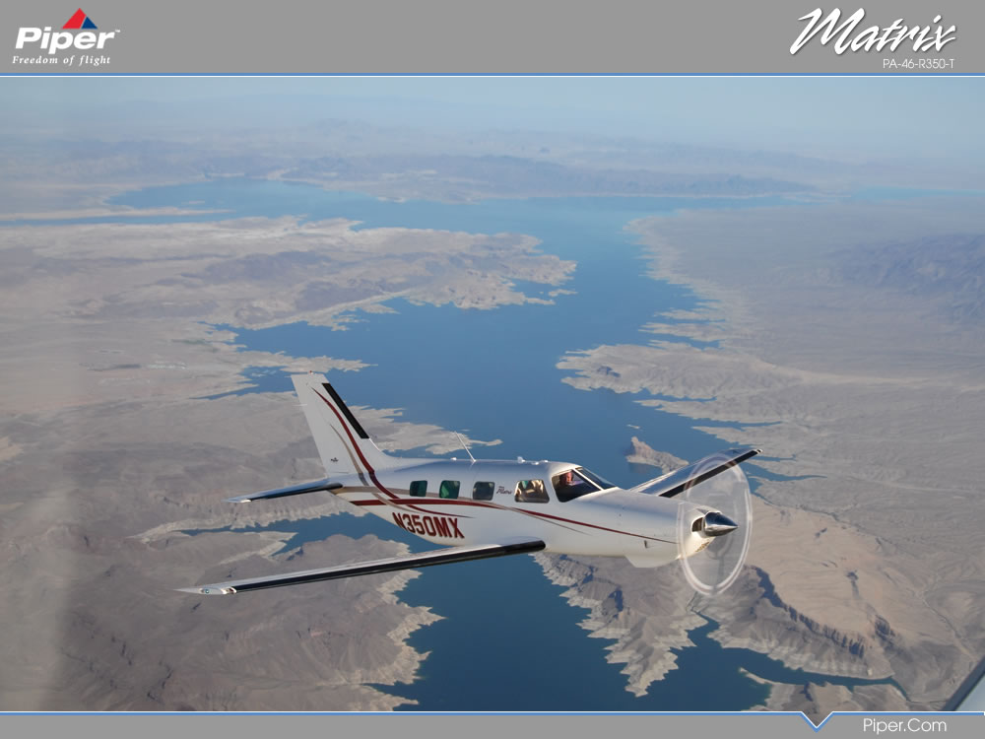

Old Designs SS Residuals | 8143718134.7 | Numerator of Chow Test | 2478804483
New Designs SS Residuals | 9133088818.4 | Denominator of Chow Test | 959822608.51

Pooled SS Residuals | 29670829368 | F Statistic | 2.5825652168

 |  | F Critical Value | 2.772853153

Since our F statistic of 2.58 is less extreme than our F critical value of 2.77, We accept the null hypothesis. The Old Designs data and the New Designs data can be gathered into one pool fairly.

Residuals
Residuals

Name | Cruise Speed | Range | T/O ground roll | Useful Load | Retractable Landing Gear | Predicted Price | Residuals | Standard Residuals
Cessna Skycatcher | 112 | 470 | 770 | 490 | 0 | $116,006 | $13,494 | 0.407
Diamond DA20 Eclipse | 138 | 547 | 1280 | 582 | 0 | $135,667 | $33,722 | 1.017
Piper Warrior III | 115 | 513 | 1165 | 908 | 0 | $231,393 | $(29,993) | -0.905
Cessna Skyhawk | 122 | 687 | 945 | 758 | 0 | $191,698 | $27,802 | 0.839
The table shows the estimated price of each plane and the residuals. Residuals are calculated by taking Actual Plane Price - Predicted Plane Price.
Standard Residuals show any outliers that might be in the group. In this example consider outliers as having an absolute value Standard Residual of 2 or greater. The outliers are circled.
Piper Archer III | 128 | 525 | 1135 | 878 | 0 | $251,726 | $(22,526) | -0.680
Cessna Skyhawk SP | 124 | 638 | 960 | 837 | 0 | $232,694 | $21,806 | 0.658
Diamond DA40 CS | 145 | 785 | 1027 | 887 | 0 | $271,395 | $(11,445) | -0.345
Cirrus SR20 G3 | 155 | 785 | 1478 | 1000 | 0 | $281,013 | $(4,323) | -0.130
Piper Arrow | 137 | 880 | 1128 | 967 | 1 | $393,887 | $(70,037) | -2.113
Cessna Skylane | 145 | 930 | 795 | 1113 | 0 | $370,210 | $(20,710) | -0.625
Cirrus SR22 G3 | 185 | 1170 | 1028 | 1175 | 0 | $422,853 | $(51,653) | -1.558
Cessna Turbo Skylane | 159 | 971 | 775 | 1017 | 0 | $361,263 | $18,237 | 0.550
Cessna 350 | 191 | 1280 | 1300 | 1100 | 0 | $356,132 | $27,768 | 0.838
Cirrus SR22 Turbo | 219 | 1000 | 1028 | 1080 | 0 | $488,122 | $(48,137) | -1.452
Mooney Ovation2GX | 190 | 1860 | 960 | 1107 | 1 | $453,550 | $(4,550) | -0.137
Piper 6X | 150 | 804 | 1284 | 1393 | 0 | $447,544 | $6,956 | 0.210
Outliers may be caused by avionics differences, or other interior options that set it apart from the rest of the base price planes.
Mooney Ovation3 | 197 | 1860 | 960 | 1107 | 1 | $469,736 | $(736) | -0.022
Cessna Stationair | 142 | 721 | 910 | 1360 | 0 | $476,165 | $3,335 | 0.101
Cessna 400 | 235 | 1148 | 1300 | 1100 | 0 | $476,738 | $9,162 | 0.276
Piper Seminole | 168 | 770 | 1300 | 1215 | 1 | $557,338 | $(46,693) | -1.409
Cessna Turbo Stationair | 164 | 703 | 910 | 1255 | 0 | $487,998 | $26,502 | 0.799
Diamond DA42 Twin Star | 172 | 1129 | 1130 | 1122 | 1 | $500,389 | $32,286 | 0.974
Piper Saratoga II TC | 187 | 948 | 1110 | 1137 | 1 | $569,473 | $4,027 | 0.121
Beechcraft Bonanza G36 | 176 | 924 | 1100 | 1063 | 1 | $519,436 | $54,564 | 1.646
Mooney Acclaim | 237 | 1445 | 900 | 1107 | 1 | $629,297 | $(49,397) | -1.490
Mooney Acclaim Type S | 242 | 1445 | 960 | 1004 | 1 | $592,288 | $7,212 | 0.218
Piper Seneca V | 218 | 828 | 1143 | 1380 | 1 | $750,335 | $6,165 | 0.186
Piper Matrix | 215 | 1367 | 1087 | 1421 | 1 | $689,841 | $67,159 | 2.026

Residual Plot: Cruise Speed
Residual Plot: Range

In all of the Residual Plots, the data does not appear to have any heteroscedasticity. This means that the residuals do not become significantly greater as the independent variable increases in size.

Residual Plot: T/O Ground Roll
Residual Plot: Useful Load

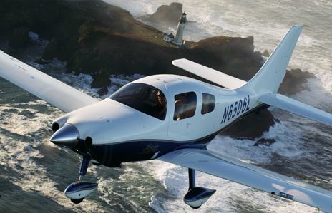

Cessna 400

Conclusion
Conclusion

Conclusion
The main indicator of price for these aircraft is cruise speed. Cruise speed has a tremendous affect on price, nearly $2,300 per knot! Useful load and range also have a significant influence on price, while takeoff distance was the least significant variable. Useful load makes sense with larger and more powerful planes, because the consumer will want to be able to carry all of their items, and is willing to sacrifice a little speed since they have excess power. Range tends to decrease because larger engines burn fuel more quickly although, I initially would have expected greater range statistic with price. It appears that airplane manufacturers did decrease takeoff distance some when planes were more expensive and had more power, but once the distance was brought down to a certain level, most manufacturers put all the advancements into speed.
This statistical formula could be useful for both consumers and manufacturers. Consumers can estimate how much money it might cost to buy an aircraft that meets their performance requirements, while manufacturers could use the data to launch planes with competitive prices.
There are not to many manufacturers in the general aviation market however, and most planes are priced and advertised as direct competition to another similar plane, having similar performance statistics.
There are some inherent errors in this study also. I could not account for differences in base avionics systems, or other standard equipment differences. There are some features that are not offered in any other aircraft, that come standard in others. For example, the parachute system of Cirrus is currently unparalleled by any other company.
Having a larger data set would have been helpful, but there are not anymore related certified aircraft currently being produced.
Overall, the older aircraft designs performance formula is similar to that of the newer aircraft designs formula. This makes sense because they are still in direct competition and are constantly compared to one another. I was very surprised how well the equations were able to fit the actual prices of the planes. An aircraft's performance statistics are usually listed on several pages, yet the price can be determined relatively well using only 5 statistics.
